6-8.Ingre&Nutrition&Allergens
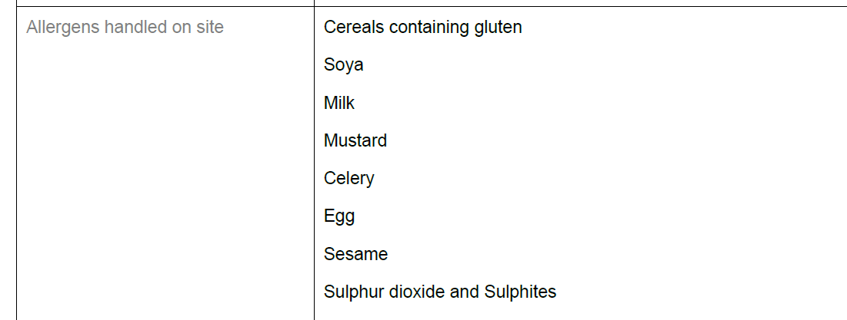
6.Product Composition
Ingredients |  | Components |  | % Composition | Supplier Names |  | Country of Origin
(Including E numbers and *functions for additives) |  | (if ingredient is composed of several sub-ingredients) |  | (Please list the ingredients in descending order) | (Please list all suppliers per ingredient)
Palm oil (RSPO certified) |  |  |  | 28.00% | Jiali Grain and Oil Tianjin Co., LTD |  | China
Chickpea powder |  |  |  | 23.00% | Mulei Yingge Biological Co., LTD |  | China
Curry powder |  | Turmeric, Coriander, Cumin, Paprika powder, Black pepper, Cardamom, Cinnamon, Fennel, Chili powder, Clove, Celery seed, Fenugreek |  | 12.00% | Amari Spcie Food Co., LTD |  | Japan
Coconut milk powder |  |  |  | 10.00% | Shanghai Xige Trading Co., LTD |  | China
Sugar |  |  |  | 10.00% | Korea CJ Sugar Co., LTD |  | Korea
Salt |  |  |  | 7.30% | Jiangsu Jingshen Salt Industrial Co., ltd |  | China
Tomato powder |  |  |  | 3.40% | Zhongliang Tunhe Tomato Co., LTD |  | China
Yeast extract |  |  |  | 2.30% | Angel Yeast Co., LTD |  | China
Garlic powder |  |  |  | 2.00% | Shandong Wanxing Food Co., LTD |  | China
Onion powder |  |  |  | 2.00% | Shandong Pangda Seasoning Food Co., LTD |  | China
 |  |  | Total | 100.00%
*Please choose the functional of food additives from below: sweeteners / colours / preservatives / antioxidants / carriers / acids / acidity regulators / anti-caking agents / anti-foaming agents / bulking agents / bulking agents / emulsifiers / emulsifying salts / firming agents / flavor enhancers / foaming agents / gelling agents / glazing agents / humectants / modified starches / packaging gases / propellants / raising agents / sequestrants / stabilisers / thickeners / flour treatment agents / contrast enhancers |  |  |  |  |  |  |  |  |  | s

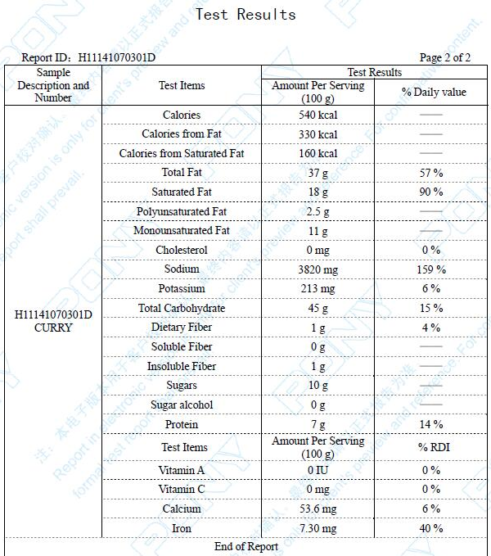
7.Nutritional Information |  | * Not Mandatory
Typical Values |  | Per 100g/100ml
Energy (Kcal/KJ) |  | 540Kcal: 2259KJ:
Fat |  | 37g
of which saturate fat |  | 18g
of which monounsaturated fat* |  | g
of which, polyunsaturated fat* |  | g
Carbohydrate |  | 45g
of which sugar |  | 10g
of which Polyols* |  | g
of which starch* |  | g
Fibre* |  | 1g
Protein |  | 7g
Salt |  | 9.55g |  | Sodium in mg x 2.5 /1000 = salt in g
NOTE: Must attach lab analyses report |  |  |  | 9.55
8.The fourteen Allergens – Regulation (EU) No 1169/2011
 | Potential Component |  |  | Product contains? | In which ingredient? | Handled on manufacturing site? | In which material? | Measures to prevent Cross-contamination | Precautionary allergen labelling (May Contain statement) needed?
 | *Please tick in the box |  |  | Yes/No |  | Yes/No |  |  | Yes/No
01 | Cereals containing gluten including wheat, Rye, Barley, Oats, Spelt & Khorasan and products thereof: |  |  | No | - | Yes | soy sauce | Dedicated production line for gluten-free curry | No
02 | Crustaceans and products thereof: |  |  | No | - | No | N/A | N/A | No
03 | Egg and products thereof: |  |  | No | - | No | N/A | N/A | No
04 | Fish and products thereof: |  |  | No | - | No | N/A | N/A | No
05 | Peanuts and products thereof: |  |  | No | - | No | N/A | N/A | No
06 | Soybeans and products thereof: |  |  | No | - | Yes | Miso | Dedicated production line for gluten-free curry | No
07 | Milk and products thereof: |  |  | No | - | Yes | curry | Dedicated production line for gluten-free curry | No
08 | Nuts and products thereof: |  |  | No | - | No | N/A | N/A | No
09 | Celery and products thereof: |  |  | Yes | Celery seed | Yes | Celery seed | N/A Contains | N/A Contains
10 | Mustard and products thereof: |  |  | No | - | Yes | Mustard powder | Handled in different workshop | No
11 | Sesame seeds and products thereof: |  |  | No | - | No | No | No | No
12 | Sulphur Dioxide or Sulphites: |  |  | No | - | No | No | No | No
13 | Lupin and products thereof: |  |  | No | - | No | No | No | No
14 | Molluscs and products thereof: |  |  | No | - | No | No | No | No

14-16.Quantity&packaging info
14.Quantity Attributes
 | Unit (g) | Case (kg)
Net Weight | 200 | 12
Gross Weight | 205.2 | 14
Is the product packed in a Protective atmosphere? (if yes, indicate the composition on gases used if applicable) |  |  | No
Is the product vacuum packed? |  |  | No
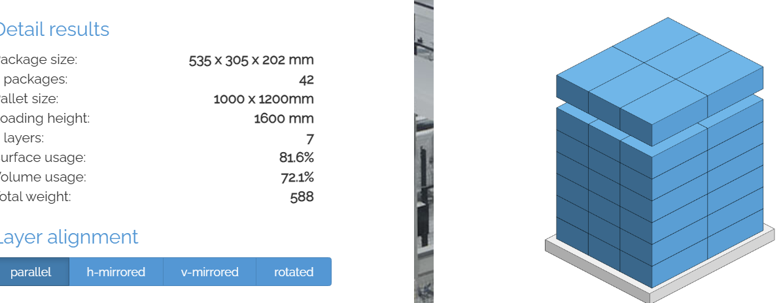
Primary Package Plastic Material Comply with Commission Regulation (EU) No 10/2011 |  |  | Yes
15.Packaging Weight Dimensions
 | Description/Color | Materials *please indicate the plastic material from below 01-07 | Weight (g) | Dimensions (mm)

Primary | aluminum bag + paper box | aluminum bag + paper box | 5.2 | L | 180
Barcode: 5060740660402 |  |  |  | W | 90
 |  |  |  | H | 24
Secondary | inner box/white | paper | 18.5 | L | 253
Barcode: 35060740660403 |  |  |  | W | 93
 |  |  |  | H | 182
Tertiary | carton/brown | paper | 578 | L | 535
Barcode: 65060740660404 |  |  |  | W | 305
 |  |  |  | H | 202
20FCL Max Load without palletized | 860CTNS
40FCL Max Load without palletized | 1690CTNS

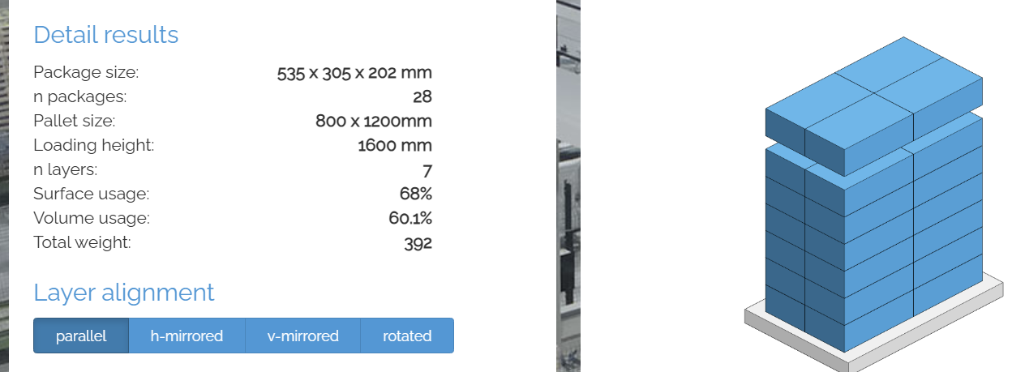
16.Pallet Configuration
 | UK Pallet Configuration (1.0m x 1.2m) | EU Pallet Configuration (0.8m x 1.2m)
Cases per layer | 6 | 4
Number of layers | 7 | 7
Cases/pallet | 42 | 28
Pallet height (m) | 1.414 | 1.414
Pallet height including pallet | 1.559 | 1.559
Pallet weight (kg) | 588.0 | 392.0
Pallet Top-View
*pallet height must lower than 1.75m & gross weight under 1000kg

17-20.HACCP,Artwork&SpecAuthor.
17.Process Flow Chart- (showing all CCPs)
Please provide in the form a Critical Control Point (CCP), a description of the process/packing operations including processing times tempuratures where applicable and in process Safery Control Checks (CCP Summary) and Quality Checks.
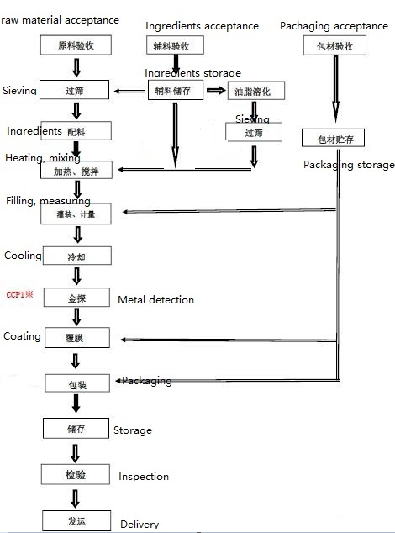

18.Critical Control Points
CCP | Control Measure |  | Critical Limit | Monitoring Frequency
CCP1 | Metal detection |  | Fe:1.5mm, SUS:3.0mm, Non-Fe:3.0mm | Every hour
19.Artwork
Inner Label / Package Design artwork |  | Outer Label / Package Design artwork
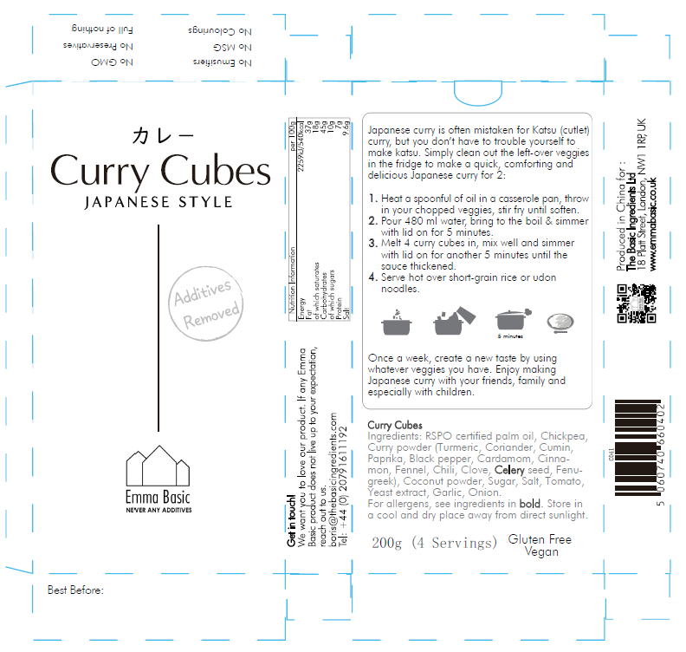 |  | 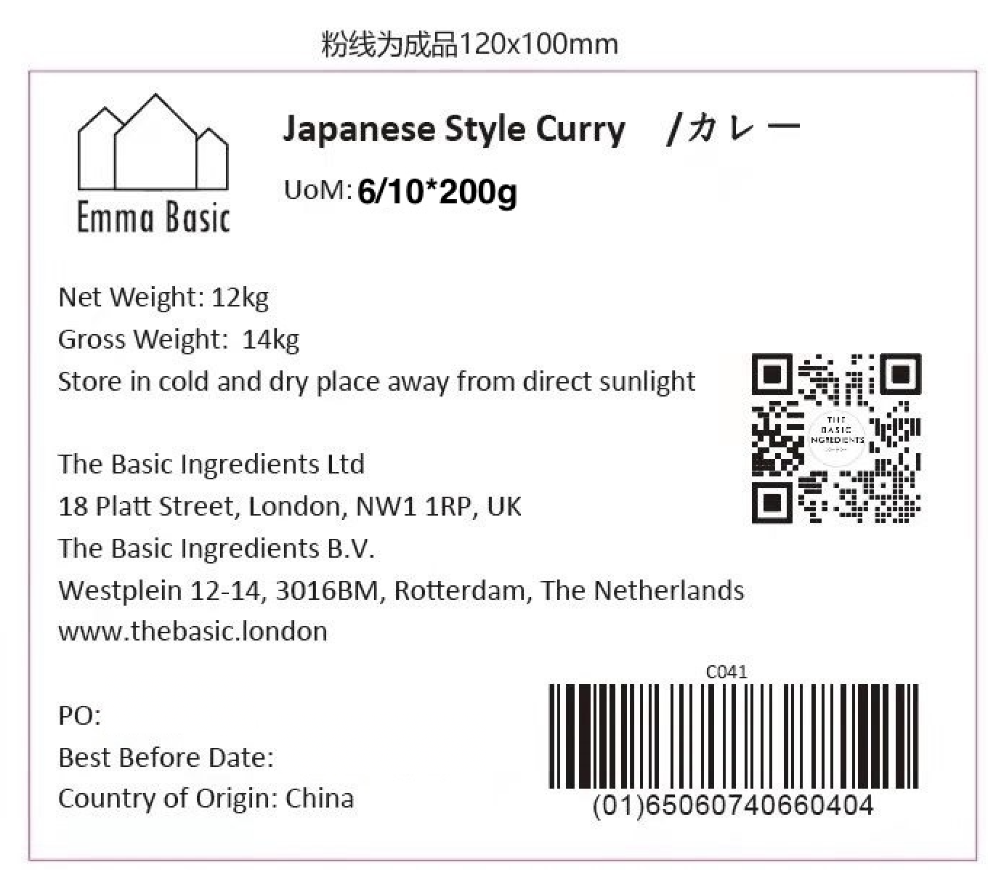

20.Packaging Photos
Finished Product with Primary package | Outer Case (Secondary) |  | Tertiary
 | 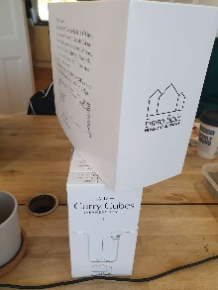
Specification Authorization
1.Product to be supplied in accordance with this agreed specification. No changes are to be made without prior knowledge and prior written agreement of The Basic Ingredients Ltd. 2.The contents of this specification are confidential and should not be disclosed to a third party without a written approval of The Basic Ingredients Ltd. 3. Product must be fit for purpose of the nature and substance stated in this specification and free from foreign body. 4. The raw materials used in this product fulfil the requirements described in the Regulation 1881/2006/EC related to contaminants in foodstuffs, the Regulation 396/2005/EC related to pesticides in foodstuffs, and their amendments. 5. The product has not been treated with ionising radiation and does not contain any irradiated ingredients- Regulated under Directive 1999/2/EC and Directive 1999/3/EC. 6. This product does not contain ingredients that contain GMO or consist of GMO or were produced from GMO - Regulated under Regulation (EC) No 1829/2003, Regulation (EC) No 1830/2003, and their amendments. 7. Products to be delivered using suitable transport in the stated conditions (i.e. ambient, chilled, frozen). 8. The information on this specification can be used without reservation to advise customers with food allergies, intolerances or aversions, especially those who may die from an anaphylactic reaction to traces of ingredients. 9. All materials intended to come into contact with foods complies with European regulations: Regulation (EC) No. 1935/2004, Regulation (EC) No. 2023/2006, Regulation (EU) No. 10/2011, Directives 82/711/EEC, 85/572/EEC, 2002/72/EEC (and the relevant amendments).
Manufacture Name | Dalian Tianpeng Food Co., LTD
Signature
Print Name | Joanna Wang
Position in Company | Salesperson
Date | 2025-02-13

The Basic ingredients team use only
Signature | 杜 一静
Print Name | Emma Du
Position in Company | Director
Date | 2026-01-12

